ttm_margins
 | fiscalDateEnding | gross_margin | operating_margin | ebitda_margin | income_margin
0 | 2024-06-30 | 36.4% | 10.2% | 11.4% | 8.6%
1 | 2024-03-31 | 35.5% | 9.3% | 10.2% | 7.4%
2 | 2023-12-31 | 34.4% | 7.0% | 7.5% | 5.4%
3 | 2023-09-30 | 33.7% | 6.2% | 6.5% | 4.5%
4 | 2023-06-30 | 33.5% | 5.7% | 5.8% | 3.8%
5 | 2023-03-31 | 32.3% | 4.2% | 4.3% | 2.5%
6 | 2022-12-31 | 30.2% | 0.6% | 0.9% | 0.3%
7 | 2022-09-30 | 29.1% | -1.7% | -1.5% | -1.3%
8 | 2022-06-30 | 28.6% | -3.1% | -2.6% | -2.1%
9 | 2022-03-31 | 29.8% | -2.5% | -1.7% | -0.9%
10 | 2021-12-31 | 31.8% | 0.0% | 1.1% | 0.9%
11 | 2021-09-30 | 34.0% | 0.9% | 2.5% | 2.2%
12 | 2021-06-30 | 35.1% | 2.8% | 4.1% | 3.7%
13 | 2021-03-31 | 35.6% | 5.5% | 6.5% | 4.6%
14 | 2020-12-31 | 34.8% | 5.7% | 6.6% | 4.1%
15 | 2020-09-30 | 33.1% | 4.2% | 5.0% | 2.6%
16 | 2020-06-30 | 32.3% | 3.9% | 5.1% | 2.4%
17 | 2020-03-31 | 30.4% | 1.3% | 2.7% | 0.8%
18 | 2019-12-31 | 30.5% | 2.4% | 4.8% | 1.7%

yoy_quarterly_growth
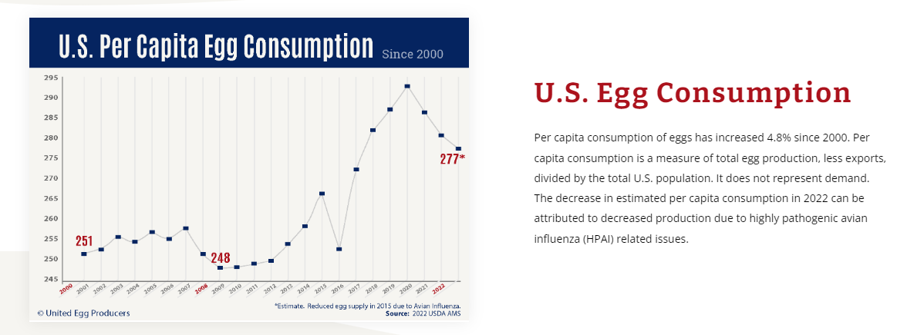
 | fiscalDateEnding | totalRevenue_growthrate | grossProfit_growthrate | operatingIncome_growthrate | incomeBeforeTax_growthrate | netIncome_growthrate | ebitda_growthrate
0 | 2024-06-30 | 39.0% | 52.6% | 113.2% | 128.9% | 144.5% | 127.3%
1 | 2024-03-31 | 25.7% | 38.0% | 121.8% | 155.6% | 166.1% | 152.4%
2 | 2023-12-31 | 22.9% | 35.7% | 163.9% | 158.5% | 286.6% | 166.8%
3 | 2023-09-30 | 20.5% | 24.3% | 158.3% | 131.1% | 525.6% | 170.1%
4 | 2023-06-30 | 28.8% | 51.6% |  | 800.1% |  | 780.3%
5 | 2023-03-31 | 53.6% | 96.6% | 366.7% | 347.2% | 565.5% | 368.0%
6 | 2022-12-31 | 43.2% | 68.3% | 181.2% | 188.2% | 151.1% | 195.7%
7 | 2022-09-30 | 42.4% | 48.7% | 212.1% | 221.1% | 154.7% | 352.1%
8 | 2022-06-30 | 37.4% | 13.7% | -76.1% | -72.6% | -94.9% | -76.1%
9 | 2022-03-31 | 31.6% | 1.7% | -232.5% | -222.8% | -144.0% | -196.2%
10 | 2021-12-31 | 43.9% | 12.3% | -97.3% | -81.1% | -364.2% | -290.6%
11 | 2021-09-30 | 21.3% | 8.1% | -174.8% | -178.7% | -178.8% | -137.5%
12 | 2021-06-30 | 1.6% | -3.4% | -66.7% | -63.5% | -34.5% | -57.0%
13 | 2021-03-31 | 23.0% | 34.5% | 6.2% | 14.8% | 79.5% | 17.8%
14 | 2020-12-31 | 30.1% | 80.3% | 64.2% | 61.6% | 81.7% | 79.2%
15 | 2020-09-30 | 56.3% | 73.1% | 103.8% | 99.4% | 102.3% | 47.3%
16 | 2020-06-30 | 83.8% | 106.3% | 131.8% | 126.3% | 113.1% | 116.5%
17 | 2020-03-31 | 44.4% | 37.8% | -31.9% | -38.0% | -36.4% | -42.6%
18 | 2019-12-31 | 0.0% | 0.0% | 0.0% | 0.0% | 0.0% | 0.0%
19 | 2019-09-30 | 0.0% | 0.0% | 0.0% | 0.0% | 0.0% | 0.0%
20 | 2019-06-30 | 0.0% | 0.0% | 0.0% | 0.0% | 0.0% | 0.0%
21 | 2019-03-31 | 0.0% | 0.0% | 0.0% | 0.0% | 0.0% | 0.0%

 | income_margin
2024-06-30 | 8.6%
2024-03-31 | 7.4%
2023-12-31 | 5.4%
2023-09-30 | 4.5%
2023-06-30 | 3.8%
2023-03-31 | 2.5%
2022-12-31 | 0.3%
2022-09-30 | -1.3%
2022-06-30 | -2.1%
2022-03-31 | -0.9%
2021-12-31 | 0.9%
2021-09-30 | 2.2%
2021-06-30 | 3.7%
2021-03-31 | 4.6%
2020-12-31 | 4.1%
2020-09-30 | 2.6%
2020-06-30 | 2.4%
2020-03-31 | 0.8%
2019-12-31 | 1.7%
 | netIncome_growthrate
2024-06-30 | 144.5%
2024-03-31 | 166.1%
2023-12-31 | 286.6%
2023-09-30 | 525.6%
2023-06-30
2023-03-31 | 565.5%
2022-12-31 | 151.1%
2022-09-30 | 154.7%
2022-06-30 | -94.9%
2022-03-31 | -144.0%
2021-12-31 | -364.2%
2021-09-30 | -178.8%
2021-06-30 | -34.5%
2021-03-31 | 79.5%
2020-12-31 | 81.7%
2020-09-30 | 102.3%
2020-06-30 | 113.1%
2020-03-31 | -36.4%
2019-12-31 | 0.0%
2019-09-30 | 0.0%
2019-06-30 | 0.0%
2019-03-31 | 0.0%

